Category statistics
country | US

Count of outcomes | Column Labels
Row Labels | film & video | food | games | journalism | music | photography | publishing | technology | theater | Grand Total
canceled | 31 | 15 |  | 23 | 19 |  | 22 | 121 | 26 | 257
failed | 130 | 115 | 96 |  | 110 | 72 | 87 | 138 | 349 | 1097
live |  | 4 |  |  | 17 |  |  |  | 12 | 33
successful | 261 | 34 | 52 |  | 490 | 62 | 69 | 158 | 525 | 1651
Grand Total | 422 | 168 | 148 | 23 | 636 | 134 | 178 | 417 | 912 | 3038

Parent Category Outcomes
 | film & video | food | games | journalism | music | photography | publishing | technology | theater
canceled | 31 | 15 |  | 23 | 19 |  | 22 | 121 | 26
failed | 130 | 115 | 96 |  | 110 | 72 | 87 | 138 | 349
live |  | 4 |  |  | 17 |  |  |  | 12
successful | 261 | 34 | 52 |  | 490 | 62 | 69 | 158 | 525

Subcategory Statistics
Parent Category | (All)
country | GB
 | canceled | failed | live | successful
animation |  | 14
art books | 3
children's books |  | 2
classical music |  |  |  | 5
documentary |  |  |  | 8
drama |  | 16
electronic music |  |  |  | 6
faith |  | 1 | 1
fiction |  | 2
food trucks | 1 | 5
gadgets |  | 3
hardware |  |  |  | 19
jazz |  | 6
metal |  |  |  | 2
mobile games |  | 7
musical | 5 | 11 |  | 10
nature |  | 3
nonfiction |  |  |  | 6
people |  | 5
photobooks |  | 14 |  | 18
places |  | 5
plays |  | 70 | 6 | 238
pop |  |  |  | 2
restaurants |  | 3
rock |  |  |  | 10
science fiction | 2
shorts |  |  |  | 6
small batch |  |  | 1
space exploration |  |  |  | 3
spaces | 1 | 8 |  | 10
tabletop games |  |  |  | 16
television |  |  |  | 7
translations |  | 4
video games |  | 10
wearables | 5 | 6
web | 7 | 10
world music | 1
Count of outcomes | Column Labels
Row Labels | canceled | failed | live | successful | Grand Total
animation |  | 14 |  |  | 14
art books | 3 |  |  |  | 3
children's books |  | 2 |  |  | 2
classical music |  |  |  | 5 | 5
documentary |  |  |  | 8 | 8
drama |  | 16 |  |  | 16
electronic music |  |  |  | 6 | 6
faith |  | 1 | 1 |  | 2
fiction |  | 2 |  |  | 2
food trucks | 1 | 5 |  |  | 6
gadgets |  | 3 |  |  | 3
hardware |  |  |  | 19 | 19
jazz |  | 6 |  |  | 6
metal |  |  |  | 2 | 2
mobile games |  | 7 |  |  | 7
musical | 5 | 11 |  | 10 | 26
nature |  | 3 |  |  | 3
nonfiction |  |  |  | 6 | 6
people |  | 5 |  |  | 5
photobooks |  | 14 |  | 18 | 32
places |  | 5 |  |  | 5
plays |  | 70 | 6 | 238 | 314
pop |  |  |  | 2 | 2
restaurants |  | 3 |  |  | 3
rock |  |  |  | 10 | 10
science fiction | 2 |  |  |  | 2
shorts |  |  |  | 6 | 6
small batch |  |  | 1 |  | 1
space exploration |  |  |  | 3 | 3
spaces | 1 | 8 |  | 10 | 19
tabletop games |  |  |  | 16 | 16
television |  |  |  | 7 | 7
translations |  | 4 |  |  | 4
video games |  | 10 |  |  | 10
wearables | 5 | 6 |  |  | 11
web | 7 | 10 |  |  | 17
world music | 1 |  |  |  | 1
Grand Total | 25 | 205 | 8 | 366 | 604

Outcomes Based on Launch Date
Parent Category | (All)
Years | (All)

Count of outcomes | Column Labels
Row Labels | canceled | failed | live | successful | Grand Total
Jan | 34 | 149 | 2 | 182 | 367
Feb | 27 | 106 | 18 | 202 | 353
Mar | 28 | 108 | 30 | 180 | 346
Apr | 27 | 102 |  | 192 | 321
May | 26 | 126 |  | 234 | 386
Jun | 27 | 147 |  | 211 | 385
Jul | 43 | 150 |  | 194 | 387
Aug | 33 | 134 |  | 166 | 333
Sep | 24 | 127 |  | 147 | 298
Oct | 20 | 149 |  | 183 | 352
Nov | 37 | 114 |  | 183 | 334
Dec | 23 | 118 |  | 111 | 252
 | canceled | failed | live | successful
Jan | 34 | 149 | 2 | 182
Feb | 27 | 106 | 18 | 202
Mar | 28 | 108 | 30 | 180
Apr | 27 | 102 |  | 192
May | 26 | 126 |  | 234
Jun | 27 | 147 |  | 211
Jul | 43 | 150 |  | 194
Aug | 33 | 134 |  | 166
Sep | 24 | 127 |  | 147
Oct | 20 | 149 |  | 183
Nov | 37 | 114 |  | 183
Dec | 23 | 118 |  | 111
Grand Total | 349 | 1530 | 50 | 2185 | 4114

Great Britain musical
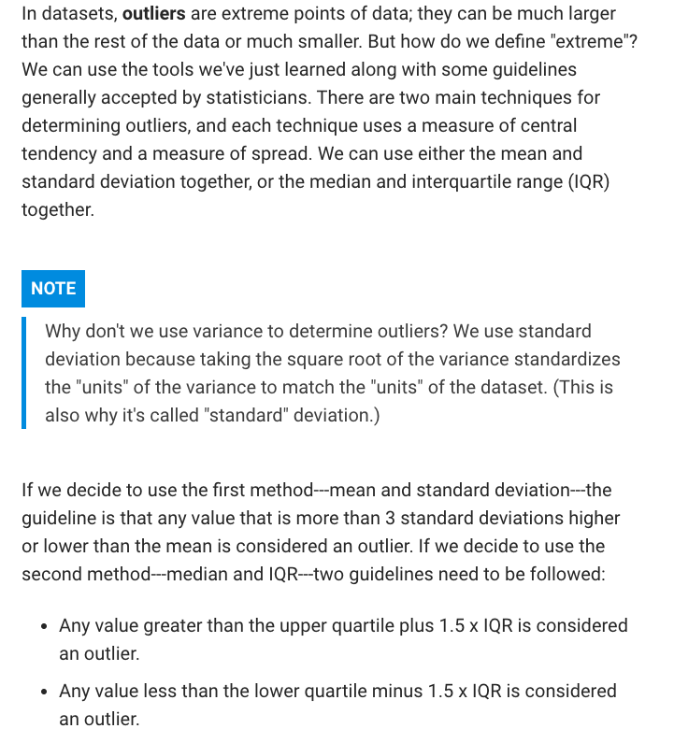
id | name | blurb | goal | pledged | outcomes | country | currency | deadline | launched_at | staff_pick | backers_count | spotlight | Category and Subcategory
2922 | Les Miserables - Backing fund | We as a Performing Arts College are to perform 'Les Miserables'. We need backing in order to afford the set, costume and other aspects. | $500 | $500 | successful | GB | GBP | 1431982727 | 1428094727 | FALSE | 6 | TRUE | theater | musical
2930 | Forbear! Theatre | Forbear! is a new theatre company aiming to produce exciting and innovative theatre using performers from a variety of disciplines. | $10,000 | $10,092 | successful | GB | GBP | 1431007264 | 1428415264 | FALSE | 62 | TRUE | theater | musical
2937 | UCAS | UCAS is a new British musical premiering at the Edinburgh Fringe Festival 2014. | $1,500 | $2,000 | successful | GB | GBP | 1405249113 | 1402657113 | FALSE | 55 | TRUE | theater | musical
3188 | A Brief History of Musical Theatre... | A revue show featuring the very best of the last century of musical theatre from aspiring young producers & performers at RWCMD | $200 | $130 | failed | GB | GBP | 1433930302 | 1432115902 | FALSE | 9 | FALSE | theater | musical
3192 | Arts in Conflict | This project challenges social issues affecting young people in areas of deprivation within the Belfast area (Northern Ireland). | $10,000 | $102 | failed | GB | GBP | 1425160800 | 1421274859 | FALSE | 8 | FALSE | theater | musical
3193 | Shock Treatment - The Sequel to Rocky Horror! | Bringing Richard O'Brien's sequel to legendary Rocky Horror to the stage for the first time. First London, then...The World! | $5,000 | $587 | failed | GB | GBP | 1424474056 | 1420586056 | FALSE | 24 | FALSE | theater | musical
3201 | Nothing Changes | Nothing Changes is a modern musical version of the Ragged Trousered Philanthropists exploring the inequalities of "austerity Britain" | $2,000 | $25 | failed | GB | GBP | 1409509477 | 1407695077 | FALSE | 2 | FALSE | theater | musical
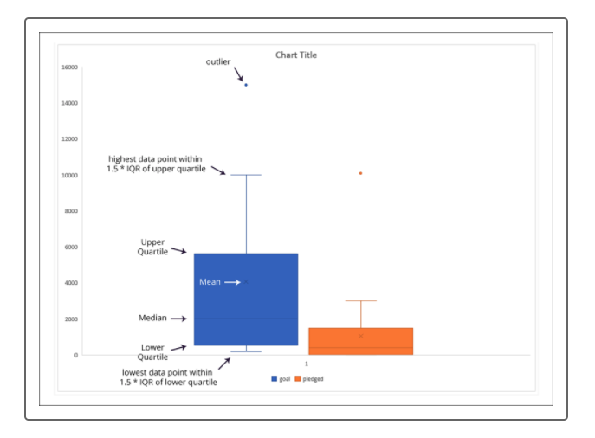
3205 | Children Must Run: An Original Musical | Children Must Run is an original musical, about a prostitute, a drug mule, a child soldier and their struggles, hopes and dreams. | $8,000 | $273 | failed | GB | GBP | 1430470772 | 1427878772 | FALSE | 12 | FALSE | theater | musical
3630 | Jeremy Kyle- The Opera | The Jeremy Kyle Show offers so much subject matter to create an opera with. Along with his brilliant put downs it could be excellent! | $3,000 | $1 | failed | GB | GBP | 1417295990 | 1414700390 | FALSE | 1 | FALSE | theater | musical
3632 | Some Enchanted Evening UK TOUR | A professional musical revue. First performed in 2013 as a short tour, to be embarking on a full length tour across the UK in 2015! | $500 | $100 | failed | GB | GBP | 1416781749 | 1415053749 | FALSE | 1 | FALSE | theater | musical
3647 | Zachariah Sheldon: A musical to chill your blood | Zachariah Sheldon is a brilliant, darkly twisted brand new musical with music from Mark Newton and script by Anthony Wilkes | $500 | $30 | failed | GB | GBP | 1475258327 | 1471370327 | FALSE | 2 | FALSE | theater | musical
3752 | POP! Community Cabaret Presents... | Welcome to POP! Community Cabaret: the "friendliest mad bunch ever"! We are a cabaret group run by our community for our community. | $500 | $565 | successful | GB | GBP | 1476651600 | 1473189335 | FALSE | 15 | TRUE | theater | musical
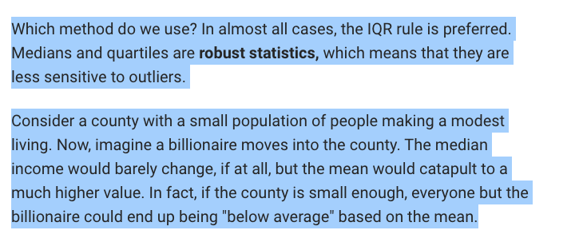
3755 | Retro Rhapsody | We have formed an innovative company that aims to create musical comedic performances suitable for a range of venues. | $550 | $713 | successful | GB | GBP | 1460753307 | 1458161307 | FALSE | 28 | TRUE | theater | musical
3761 | MARSHA - a girl who does bad things | liveartshow returns with a new work at the Arcola this summer. Marsha is a story combining opera, dance and theatre... with a unicorn | $500 | $500 | successful | GB | GBP | 1439247600 | 1434625937 | FALSE | 3 | TRUE | theater | musical
3762 | iolite the musical | We are trying to raise money to perform a musical we have written, called "Iolite", at the Edinburgh Fringe in 2015. | $1,250 | $1,328 | successful | GB | GBP | 1438543889 | 1436383889 | FALSE | 28 | TRUE | theater | musical
3770 | The White Feather: a new musical | The incredible story of woman's fight to clear her brother from the charge of cowardice in the Great War, brought to life musically | $2,000 | $2,000 | successful | GB | GBP | 1434234010 | 1431642010 | FALSE | 20 | TRUE | theater | musical
3782 | No Horizon - The forgotten story, told in a unique musical. | No Horizon. A unique musical inspired by the remarkable, forgotten story of Nicholas Saunderson - a tale of passion and aspiration. | $2,000 | $2,035 | successful | GB | GBP | 1469401200 | 1466887297 | FALSE | 27 | TRUE | theater | musical
3785 | Send "Pawn" to Edinburgh! | Chess. Betrayal. Blueberry yoghurts. "Pawn" - a new musical by Oxford students - needs funding to go to the Edinburgh Fringe! | $2,000 | $3,015 | successful | GB | GBP | 1470132180 | 1467040769 | FALSE | 30 | TRUE | theater | musical
3789 | Austen a New Musical Play | This fabulous new play explores the little known love life of England's most famous romantic novelist, Jane Austen. | $3,550 | $116 | failed | GB | GBP | 1434395418 | 1431630618 | FALSE | 4 | FALSE | theater | musical
3794 | Jack and the Beanstalk, The Family Pantomime December 2015 | Local boy turned producer returns with a brand new show, another talented cast, dazzling costumes and brand new set! Please support! | $5,000 | $50 | failed | GB | GBP | 1433685354 | 1431093354 | FALSE | 1 | FALSE | theater | musical
3795 | Duodeca | Poppin Productions are currently entering the development stage of their very first production - "Duodeca". | $600 | $10 | failed | GB | GBP | 1440801000 | 1437042490 | FALSE | 2 | FALSE | theater | musical
3868 | 1000 words (Canceled) | New collection of music by Scott Evan Davis! | $5,000 | $10 | canceled | GB | GBP | 1410191405 | 1408031405 | FALSE | 1 | FALSE | theater | musical
3876 | Drinking with Angelika - Marlowe Studio Canterbury May 2016 | Hopefully a successful Campaign will bring this original musical back to the stage for performances on 26th, 27th and 28th May 2016. | $3,900 | $2,059 | canceled | GB | GBP | 1454425128 | 1451833128 | FALSE | 46 | FALSE | theater | musical
3879 | Theatre 'Portable' Royal (Canceled) | Theatre â€˜Portableâ€™ Royal is a portable, fully working, 40 seater theatre which will tour the UK and beyond! | $15,000 | $0 | canceled | GB | GBP | 1422218396 | 1419626396 | FALSE | 0 | FALSE | theater | musical
3880 | Thoroughly Modern Millie (Canceled) | With Russell Grant as Mrs Meers, this classic musical taps into London's Theatro Technis 1-25 October 2014 for its UK fringe premiere! | $7,500 | $980 | canceled | GB | GBP | 1406761200 | 1403724820 | FALSE | 17 | FALSE | theater | musical
3883 | CAGED - A New Musical (Canceled) | CAGED - A New Musical is the story of One Passion, One Voice, One Dream. - One man's quest to become the woman he always wanted to be. | $15,000 | $0 | canceled | GB | GBP | 1409668069 | 1407076069 | FALSE | 0 | FALSE | theater | musical

Descriptive Statistics
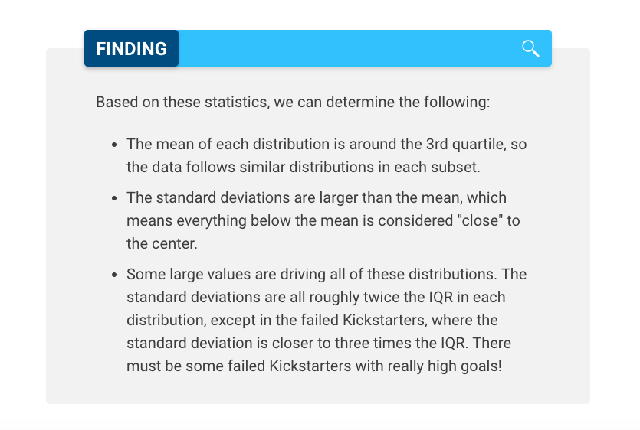
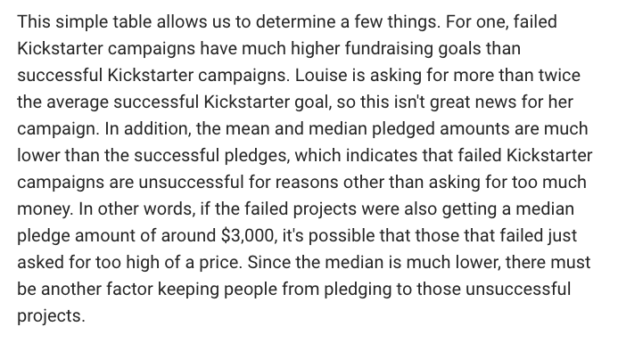
 | Successful | Failed
Mean Goal | 5,049 | 10,554
Median Goal | 3,000 | 5,000
Standard Deviatin of goal | 7,749 | 21,968
Upper Quartile of Goal | 5,000 | 10,000
Lower Quartile of Goal | 1,500 | 2,000
IQR of Goal | 3,500 | 8,000

Mean Pledged | 5,602 | 559
Median Pledged | 3,168 | 103
Standard Deviatin of Pledged | 8,335 | 1,331
Upper Quartile of Pledged | 5,699 | 501
Lower Quartile of Pledged | 1,717 | 9
IQR of Pledged | 3,982 | 492

